Manufacturing results
Cost distribution of input cell design
 | Cost | Unit | Cost | Unit | Mass | Unit | Per stack
Total costs | 0.0760 | €/cm^2 | 6.08 | €/SRU | 191.43 | g/SRU | 364.88
 |  |  |  |  |  |  |  |  | Doubled:
Cell | 0.0082 | €/cm^2 | 0.66 | €/SRU | 16.90 | g/SRU | 39.56 | Cell | 0.0071 | 0.0076902177 | -8.61%
Frame | 0.0030 | €/cm^2 | 0.24 | €/SRU | 167.60 | g/SRU | 14.26 | Frame | 0.0024 | 0.0029716958523 | -25.39%
Miscellaneous | 0.0124 | €/cm^2 | 0.99 | €/SRU | 6.93 | g/SRU | 59.60 | Miscellaneous | 0.0131 | 0.015344960847 | -17.00%
Machining | 0.0275 | €/cm^2 | 2.20 | €/SRU |  |  | 131.99 | Machining | 0.0174 | 0.027498191357 | -58.40%
Labour | 0.0173 | €/cm^2 | 1.39 | €/SRU |  |  | 83.10 | Labour | 0.0043 | 0.017313510065 | -300.00%
Energy | 0.0076 | €/cm^2 | 0.61 | €/SRU |  |  | 36.36 | Energy | 0.0063 | 0.0075744373414 | -19.88%

Cell costs of input cell design
Frame costs of input cell design
Further breakdown: | €/cm^2 | €/SRU
Cell | 0.008 | 0.66
Oxygen electrode | 0.001 | 0.06
Contact layer | 0.001 | 0.06
CGO Layer | 0.001 | 0.08
Electrolyte | 0.000 | 0.02
Ni-YSZ Active | 0.000 | 0.01
Ni-YSZ Support | 0.005 | 0.42
Frame | 0.003 | 0.24
Interconnects | 0.001 | 0.05
Spacers | 0.002 | 0.16
Current collectors | 0.000 | 0.00
Compression plates | 0.000 | 0.03
Misc | 0.012 | 0.99
Misc. costs of input cell design
Manufacturing costs of input cell design
Glass sealant | 0.002 | 0.17
Protection coating | 0.008 | 0.61
Ni-Mesh layer | 0.003 | 0.22
Manufacturing and labour | 0.052 | 4.19
Interconnects and frames | 0.012 | 0.98
Dies | 0.004 | 0.36
Cells and glass sealants | 0.017 | 1.33
Pre-assembly | 0.008 | 0.67
Final assembly | 0.011 | 0.84

Manufacturing costs of input cell design
Manufacturing breakdown | Machines | Labour | Energy
Interconnects and frames | 0.693 | 0.173 | 0.118
Dies | 0.358 | - | -
Cells and glass sealants | 0.569 | 0.567 | 0.196
Pre-assembly | 0.324 | 0.301 | 0.048
Final assembly | 0.256 | 0.344 | 0.244

Power input per stack | 6 | kWin/stack
Power input per SRU | 0.10 | kWin/SRU

Total cost per kWin | 59.25 | €/kW

Cell | 6.43 | €/kW
Frame | 2.32 | €/kW
Miscellaneous | 9.68 | €/kW
Machining | 21.43 | €/kW
Labour | 13.50 | €/kW
Energy | 5.90 | €/kW

Stack volume | 1.3 | liters
Frame width | 12.2 | cm
Frame depth | 10.2 | cm

SRU height | 9 | cm
End plate heights | 1.36 | cm

Total height | 10.36 | cm

Cross-layer
Key Values | Input value | Unit | Explanation:
Cells per SRU | 1
SRU per stack | 60
Length | 10 | cm
Width | 8 | cm
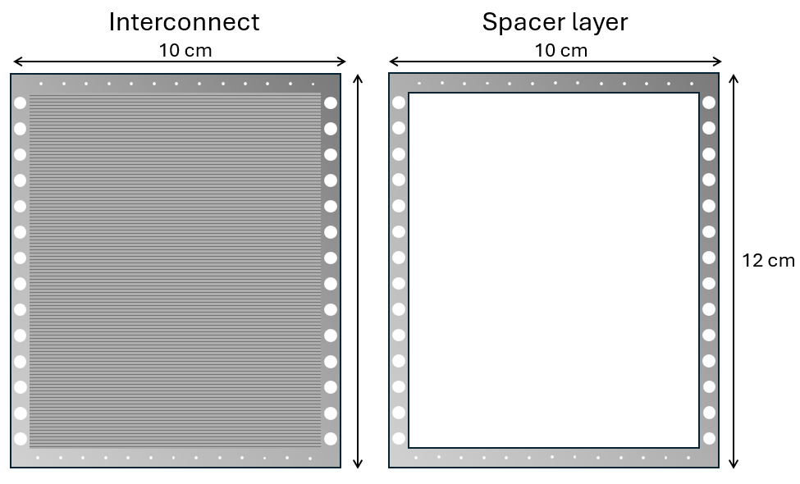
Small->Big cell | 1 | cm | Length & width difference between smaller cell layers and larger cell layers
Big cell->Frame | 1.2 | cm | Length & width difference between cell and frame components
Framing
IC Thickness | 300 | µm
Distance between IC | 600 | µm | Assumed equal to spacer thickness
Compression Thickness | 5000 | µm
Spacer steel fraction | 18% |  | How much of the spacer is actual material (rest is cut out)?
Compr/IC/collector steel fraction | 97% |  | How much of the IC/collector/compression plates is actual material?
Scrap cost return (IC) | 8% |  | How much of the original cost is returned when reselling cut out steel?
Scrap cost return (other) | 28%
Decision variables:
Steel material | SS441
With/Without reuse of cutouts | With |  | Either "With" or "Without" - Do we cut out and resell steel components?
Cell discard rate | 6% |  | This is to reflect that not all cells are made perfectly, and some will have to be discarded due to imperfections

Total footprint
Length | 12.2
Width | 10.2
Small cell area | 80
Big cell area | 99
Frame area | 124
Stacks per batch | 3.0166666667

Frame
 |  |  | [€/kg] | [µm] | [%] |  |  | [g/cm^3] | [kg/m^2] | [€/m^2] | [cm^2] | [€] | [g]
Layer | Material | Layers per SRU | Mat. Price | Thickness | Porosity | Fraction in layer | Volume% | Mat. Density | Mass | Cost per area | Area | Cost per unit | Mass per unit | 1 per stack converts to: | 0.016666666667 | per SRU
Interconnect in SRU | SS441 | 1 | 1.7 | 300 | 0% | 97% | 97% | 7.8 | 2.34 | 3.97 | 124.44 | 0.049 | 29.12
Interconnect in stack | SS441 | 0.033333333333 | 1.7 | 10 | 0% | 97% | 97% | 7.8 | 0.08 | 0.13 | 124.44 | 0.002 | 0.97 | Frame design is based on below layout:
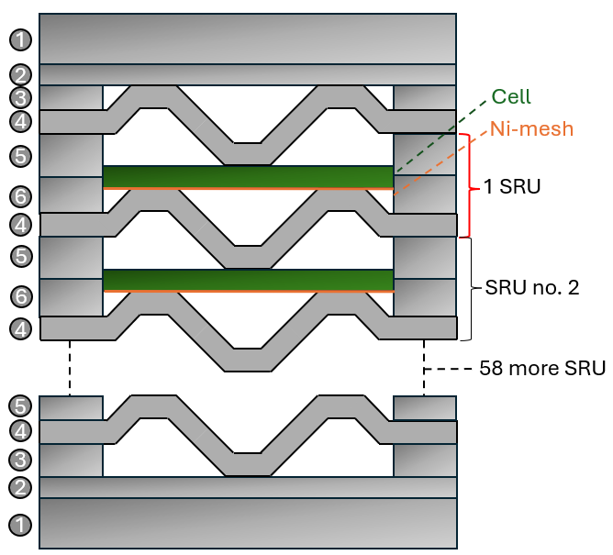
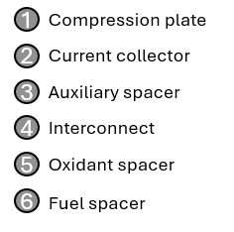
Current collector | SS441 | 0.033333333333 | 1.7 | 20 | 0% | 97% | 97% | 7.8 | 0.16 | 0.26 | 124.44 | 0.003 | 1.94
Auxiliary spacer | SS441 | 0.05 | 1.7 | 30 | 0% | 18% | 18% | 7.8 | 0.23 | 0.31 | 124.44 | 0.004 | 2.91
Oxidant spacer | SS441 | 1 | 1.7 | 600 | 0% | 18% | 18% | 7.8 | 4.68 | 6.12 | 124.44 | 0.076 | 58.24
Fuel spacer | SS441 | 1 | 1.7 | 600 | 0% | 18% | 18% | 7.8 | 4.68 | 6.12 | 124.44 | 0.076 | 58.24
Compression plate | SS441 | 0.033333333333 | 1.7 | 167 | 0% | 97% | 97% | 7.8 | 1.30 | 2.19 | 124.44 | 0.027 | 16.18

 |  |  |  |  |  |  |  |  |  |  |  |  |  | With the thicknesses given in sheet "Cross-layer"

